Category Statistics
country | US

Count of outcomes | Column Labels
Row Labels | canceled | failed | live | successful | Grand Total
theater | 26 | 349 | 12 | 525 | 912
Grand Total | 26 | 349 | 12 | 525 | 912

Kickstarter Outcomes by Category

Subcategory Stats
country | GB
Parent Category | (All)

Count of outcomes | Column Labels
Row Labels | failed | live | successful | Grand Total
plays | 70 | 6 | 238 | 314
Grand Total | 70 | 6 | 238 | 314

Outcome vs Time
Parent Category | theater
Years | (All)
Quarters | (All)

 | canceled | failed | live | successful
Jan | 4 | 38 |  | 42
Feb | 3 | 31 |  | 56
Mar | 7 | 34 | 10 | 63
Apr |  | 35 | 13 | 62
May | 4 | 46 | 1 | 75
Jun | 3 | 45 |  | 101
Jul | 3 | 50 |  | 109
Aug | 1 | 51 |  | 94
Sep | 5 | 45 |  | 62
Oct | 4 | 49 |  | 65
Nov | 1 | 38 |  | 58
Dec | 2 | 31 |  | 52
Count of outcomes | Column Labels
Row Labels | canceled | failed | live | successful | Grand Total
Jan | 4 | 38 |  | 42 | 84
Feb | 3 | 31 |  | 56 | 90
Mar | 7 | 34 | 10 | 63 | 114
Apr |  | 35 | 13 | 62 | 110
May | 4 | 46 | 1 | 75 | 126
Jun | 3 | 45 |  | 101 | 149
Jul | 3 | 50 |  | 109 | 162
Aug | 1 | 51 |  | 94 | 146
Sep | 5 | 45 |  | 62 | 112
Oct | 4 | 49 |  | 65 | 118
Nov | 1 | 38 |  | 58 | 97
Dec | 2 | 31 |  | 52 | 85
Grand Total | 37 | 493 | 24 | 839 | 1393

Box and Whisker
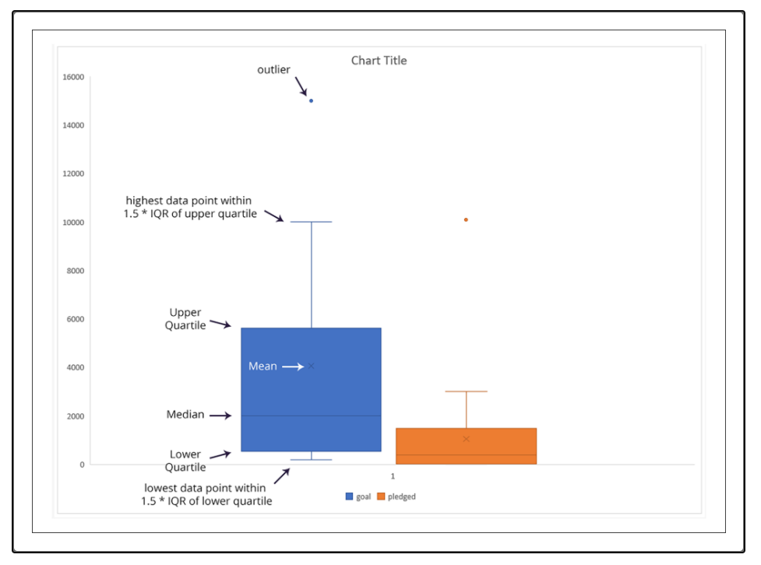
HOW TO READ BOX AND WHISKER CHARTS

